Sheet1
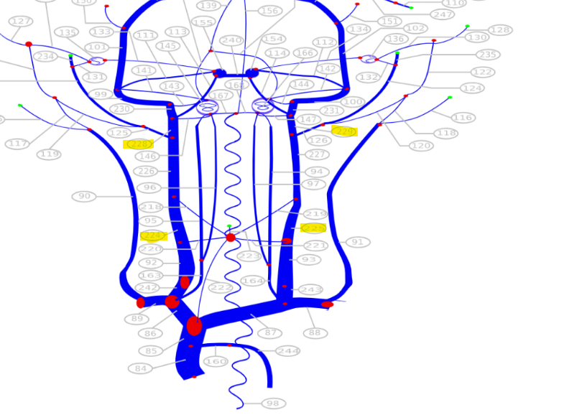
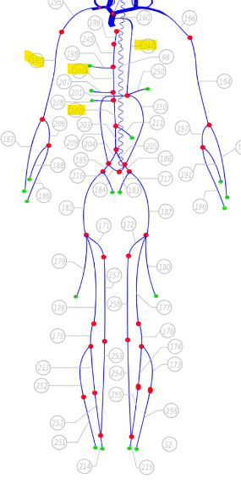
Name | q ml/s | ref |  | Figure
R Internal jugular vein IV (228) | 2.75 | 2014_Muller
R Internal jugular vein IV (229) | 7.85 | 2014_Muller
R Internal jugular vein II (224) | 4.4 | 2014_Muller
L Internal jugular vein II (225) | 11.9 | 2014_Muller
Sup Vena Cava III (84) | 29 | 2014_Muller
Inf Vena Cava II (202) | 17 | 2014_Muller
Inf Vena Cava IV I (200) | 33 | 2014_Muller
azygos vein II (244) | 7 | 2014_Muller
Subclavian III (193) | 3.6 | 2014_Muller

 |  | 2024_Liu | Not PR

